Income Sources
Financial Statistics Dashboard
Income Sources
Geographically
Sales Process
Projects Status

Income Sources
 | Income Sources | Max
1 | 3 | 3
7 | 2 | 2
4 | 1 | 1
2 | 8 | 8
6 | 6 | 6
5 | 9 | 9

Equipments 2,82,871
Renewal 4,31,900
Average Monthly Income
x̄
Grand total of income, and their breakdowns showing the achievements percentage and highlight for most valuable source, Marketing strategies, and operating profit.
7.2%
22%
10.9%
Usage fees
64,438

 |  | Percentage
 | 1 | 87%
 | 1 | 13%
 | 1
 | 1
 | 1
 | 1
 | 1
 | 1
 | 1
 | 1
 | 1
 | 1
 | 1
 | 1
 | 1
 | 1
 | 1
 | 1
 | 1
 | 1
 | 1
 | 1
 | 1
 | 1
 | 1
 | 1
 | 1
 | 1
 | 1
 | 1
 | 1
 | 1
 | 1
 | 1
 | 1
 | 1
 | 1
 | 1
 | 1
 | 1
 | 1
 | 1
 | 1
 | 1
 | 1
 | 1
 | 1
 | 1
 | 1
 | 1
...
New 4,35,316
8%
11.0%
Renting
Timeline Slicer
 | Total
Jan | 70,526
Feb | 64,046
Mar | 63,786
Apr | 67,711
May | 66,013
Jun | 63,910
Jul | 63,183
Aug | 65,423
Sep | 65,062
Oct | 66,602
Nov | 70,019
Dec | 63,183
Operating
Profits
0.4%
0.2%
9.8%
Prime 3,88,400

Lands 15,716
Offices 8,787

18%
45,15,856
Income Target
39,47,318
Company Website 9,720
Income Achieved
87%
Subscription

Premium 3,03,019
7.7%
0.2%
Youtube Channel 2,24,263
 | Sum of Income | Sum of Income2
Jan | 352,631 | 352,631
Feb | 320,228 | 320,228
Mar | 318,928 | 318,928
Apr | 338,554 | 338,554
May | 330,066 | 330,066
Jun | 319,548 | 319,548
Jul | 315,916 | 315,916
Aug | 327,116 | 327,116
Sep | 325,311 | 325,311
Oct | 333,010 | 333,010
Nov | 350,094 | 350,094
Dec | 315,916 | 315,916
5.7%

7,89,464

10%
 | Sum of Income | Sum of Income2
B2B | 2,361,014 | 59.81%
B2C | 1,586,304 | 40.19%
23,61,014
B2B
40.19%
B2C
59.81%
Quantity of Item's
23%
Advertising
Floating License 4,94,400
Usage Fees
Subscription
Renting
Licensing
Advertising
Asset sale
2%
0%
62%
14%
11%
10%
2844
26
72768
16488
13188
11856
●
●
●
●
●
12.5%
●
Asset sale
15,86,304
5.7%
5.8%
Television Ad 2,28,654
Software Metered License 2,81,733
5.6%
20%
7.1%
Facebook Page 2,23,825
Licensing
Google Ad 2,21,980
Advertising

Geographically
Income Sources
Geographically
Sales Process
Projects Status

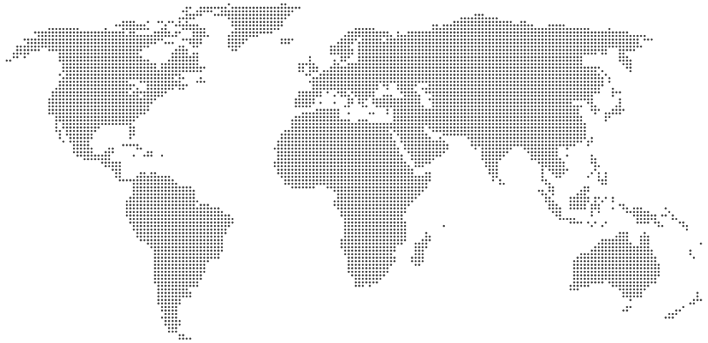
Canada
Financial Statistics Dashboard
USA
$5,23,248
Russia
$9,39,036
United Kingdom
$7,92,892

$53,01,192

Egypt
$14,67,760
$10,61,368

 | Egypt | USA | Russia | United Kingdom | Canada | Brazil
 | 28% | 20% | 18% | 15% | 10% | 10%
Brazil
$5,16,888

United Kingdom
792892
14.96%
Egypt
1467760
27.69%
USA
1061368
20.02%
Russia
939036
17.71%
Canada
523248
9.87%
Brazil
516888
9.75%
●
●

●
●
Remaining Percentage | 30%
Actual | 70%

●
●
70%
 | 22.8% | 77.200%

Sales Percentage Achieved
Property Taxes
$3,92,288
7.4%
Excise Taxes
$3,28,674
6.2%
Total Taxes
$12,08,672
22.8%
Payroll Taxes
$4,87,710
9.2%

Sales Process
Income Sources
Geographically
Sales Process
Projects Status

Projects Status
Income Sources
Geographically
Sales Process
Projects Status

